Workbook Overview
CODI Data Models Dictionary

Version 4.2.2
Updated March 2, 2023
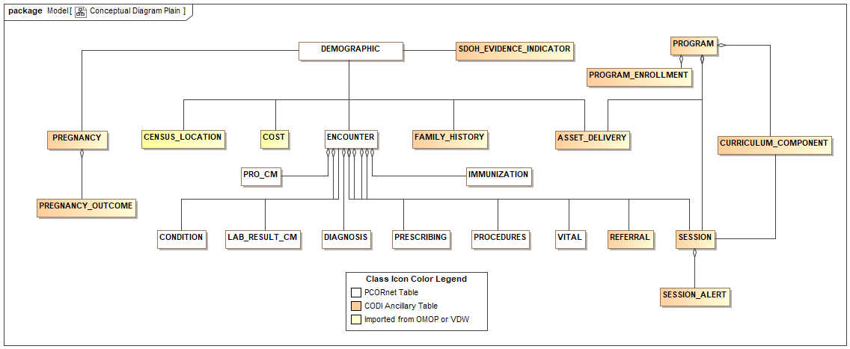
CODI Data Models Overview Diagram
This workbook provides a source of record for the CODI datamart model. It contains six worksheets: this Workbook Overview sheet; the Table Dictionary, listing the tables and fields; the Codeset Dictionary, listing the codeset values (aka value sets); the version history for the CODI Data Models Implementation Guide and dictionaries; and two diagrams displaying tables, fields, and relationships in the CODI data models. For comprehensive guidance, see the CODI Data Models Implementation Guide document. The CODI datamodel adopts a portion of the PCORnet CDM version 6.0, and a few tables from other data models. CODI supplements those with tables designed specifically for community service programs and social determinants of health. This workbook does not exhaustively enumerate all tables and fields in the PCORnet CDM. The worksheets include only those dictionary items of direct value to CODI.

The following describes the format of the Table Dictionary and Codeset Dictionary worksheets.
Column Header | Purpose
Owner | The code name for the origin data model: PORnet CDM (CDM), Clinical and Community Data Initiative (CODI), Colorado Health Observation Regional Data Service (CHORDS) virtual data warehouse (VDW), and Observational Medical Outcomes Partnership (OMOP).
Table/Codeset | The table/codeset column provides the name of a database table in the Table Dictionary or a codeset in the Codeset Dictionary.
Attribute/Literal Value | The attribute/literal value column provides the name of a table field in the Table Dictionary, and a literal (code) in the Codeset Dictionary. (Excel may have erroneously removed leading zeroes from numeric literals in the Codeset Dictionary.)
Cardinality | The cardinality column indicates the cardinality of an attribute. If the minimum cardinality is 0, the attribute is optional. If the minimum cardinality is 1, the attribute is required. If the maximum cardinality is 1, the attribute is stored explicitly in the data warehouse. If the maximum cardinality is *, the attribute is an implicit reference to a set of related instance (the inverse of a foreign key). Implicit references do not connote a field in the relational table.
Type | The type column in the Table Dictionary indicates the type of an attribute. The column type may be a primary data type (for example, VARCHAR(5), or it may be the name of a codeset (having a 'type' suffix in the name). Code values for the named codesets are listed in the Codeset Dictionary tab. Note: A message that reads "IMPORTED: REFERENCE USE ONLY" means that the table or codeset details were brought in from an external source. Documentation associated with these tables, attributes, codesets, and literal values cannot be changed here.
Documentation | The documentation column provides the definition of the class or attribute in the Table Dictionary, and the codeset or enumerant in the Codesset Dictionary. It may also provide some implementation notes. Please see the CODI Data Models Implementation Guide for complete guidance.

CODI Ancillary DM Diagram
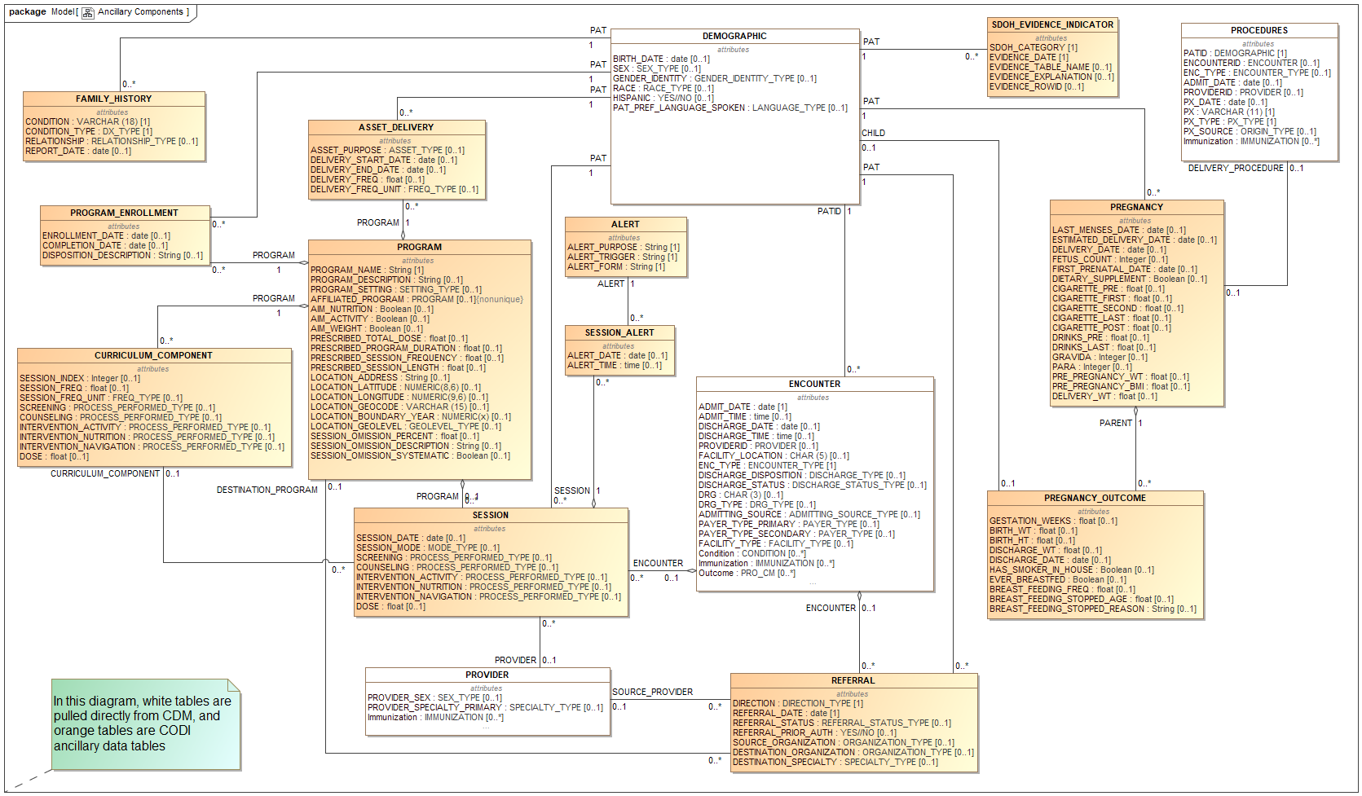
CODI Ancillary Tables Data Model Diagram
Version 4.2.2

PCORnet-CDM CODI Subset Diagram
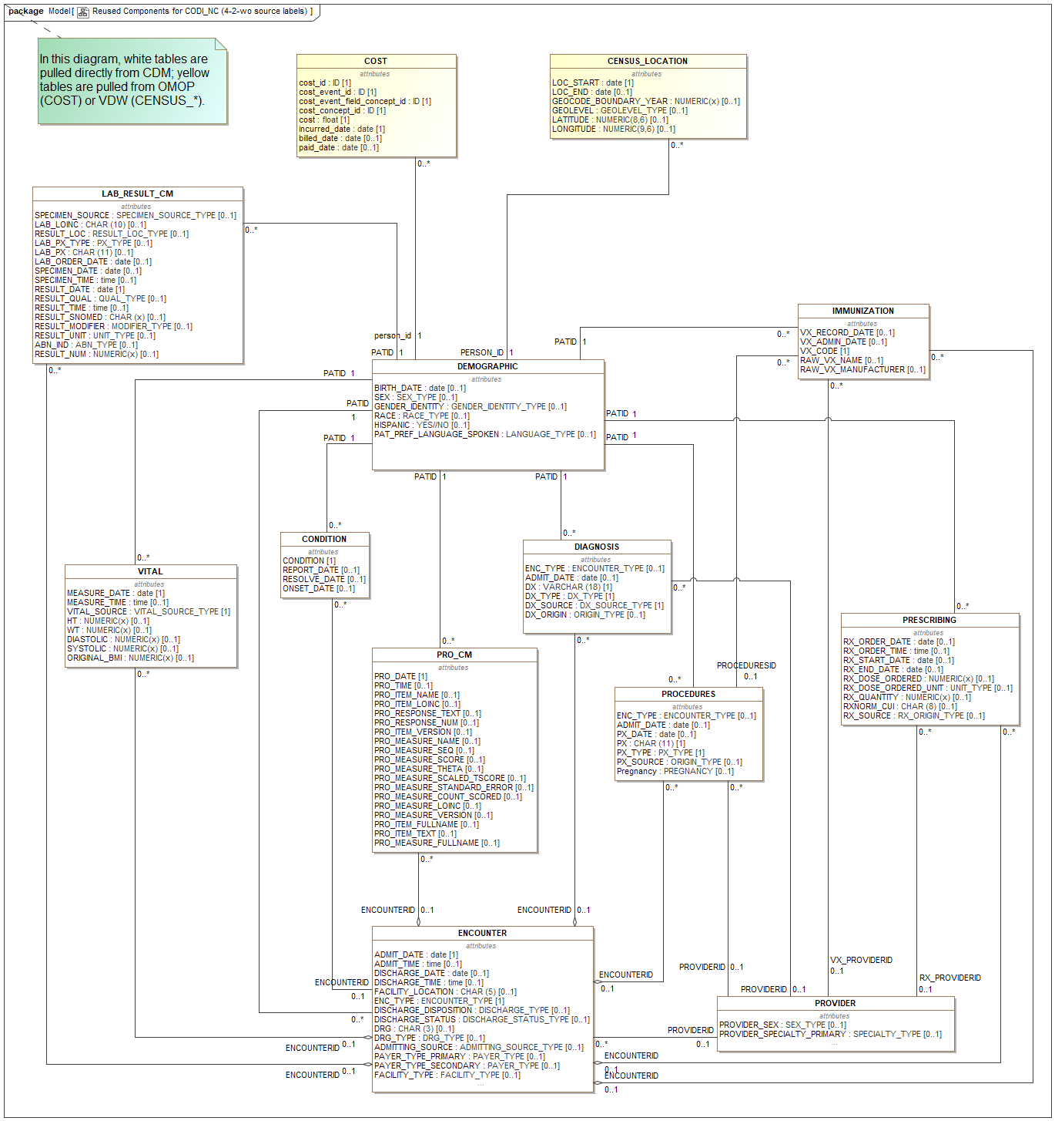
CODI Research Data Model Tables from PCORnet CDM, VDW, and OMOP

PCORnet CDM Version 6.0; CODI RDM Version 4.2.2

